Photo
Picture of Bus Shelter & Truck lay by
S.No. | Chainage |  | Length | Side | Description | Photo
 | From Ch | To Ch
1 | 301270 | 301410 | 140.0 | RHS | Bus shelter | 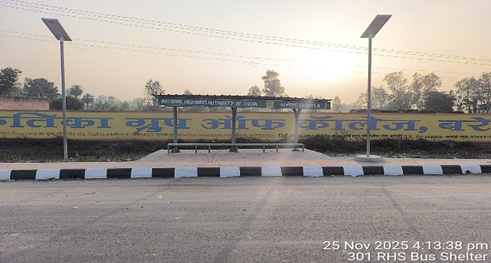
2 | 309060 | 309330 | 270.0 | RHS | Bus shelter | 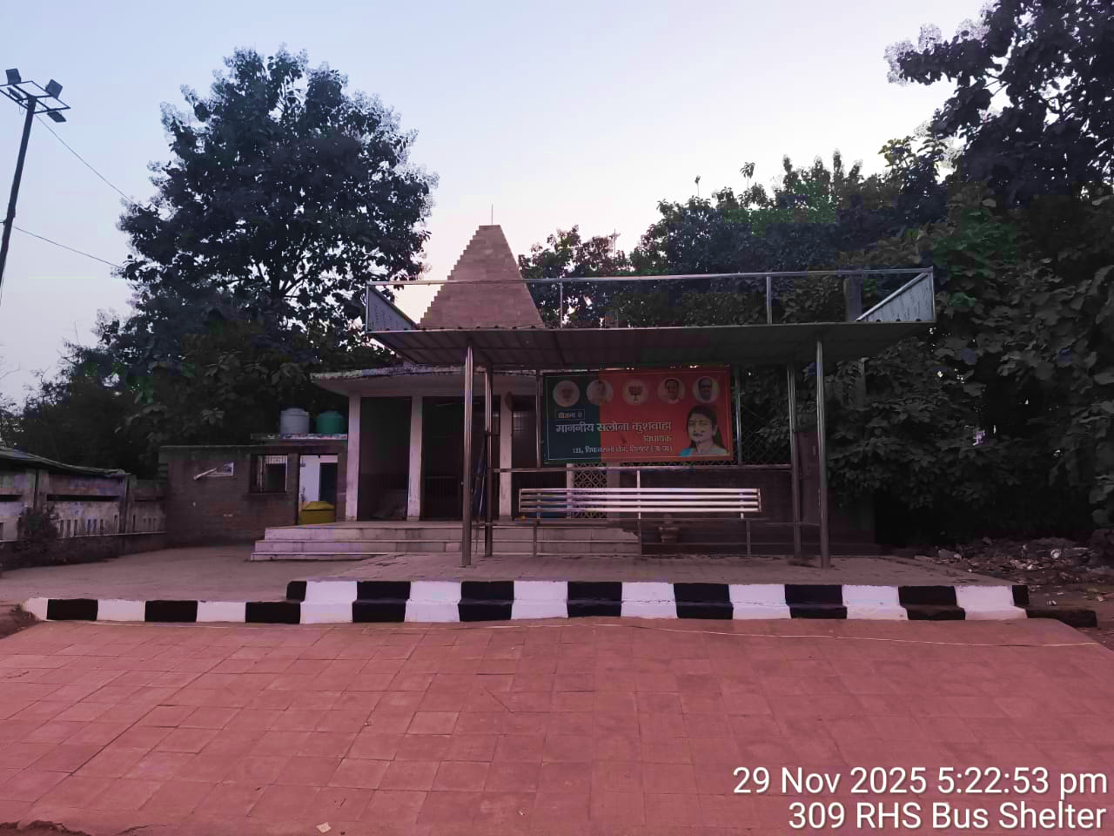
3 | 312530 | 312670 | 140.0 | LHS | Bus shelter | 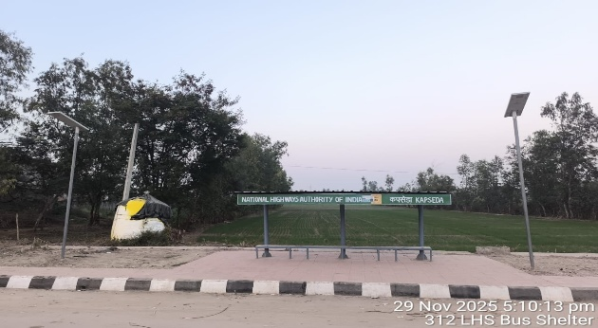
4 | 312570 | 312710 | 140.0 | RHS | Bus shelter | 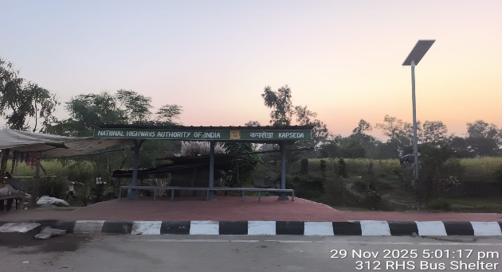
5 | 328710 | 328890 | 180.0 | LHS | Bus shelter | 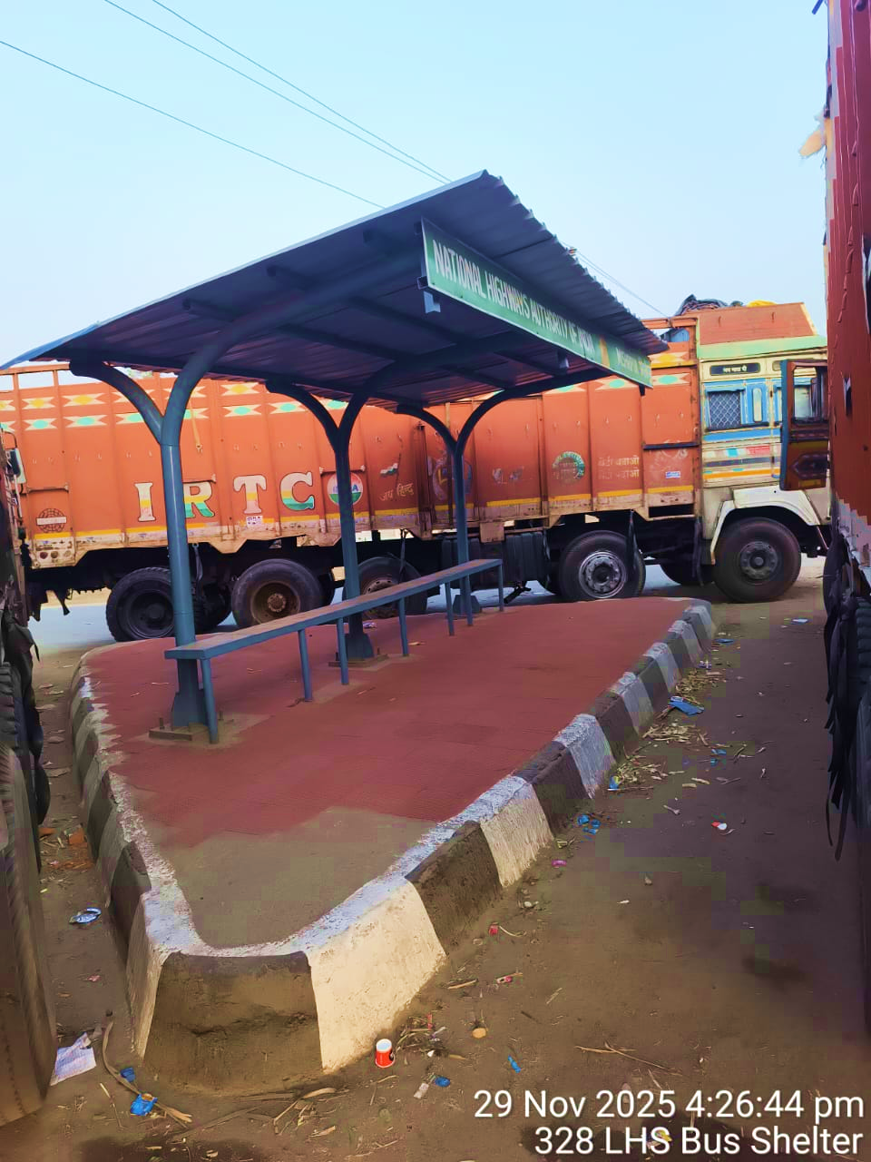
6 | 331000 | 331140 | 140.0 | RHS | Bus shelter | 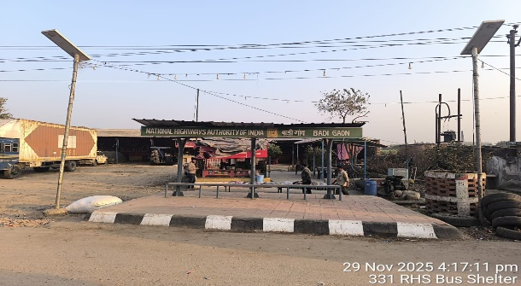
7 | 380850 | 381020 | 170.0 | RHS | Bus shelter | 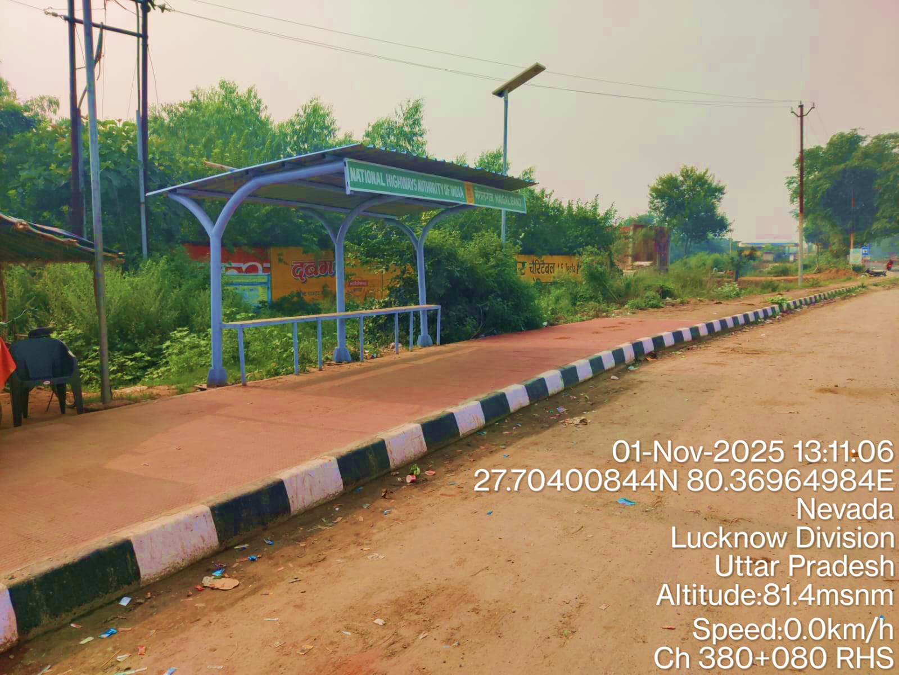
8 | 380880 | 381040 | 160.0 | LHS | Bus shelter | 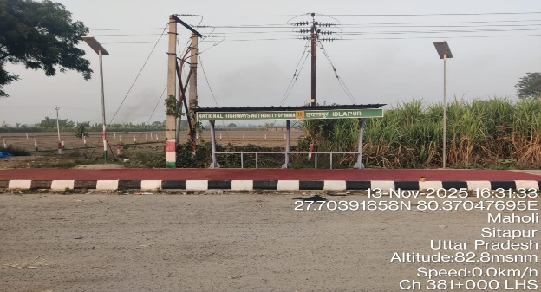
9 | 385010 | 385160 | 150.0 | LHS | Bus shelter | 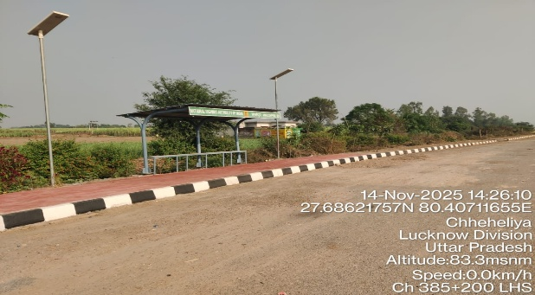
10 | 385210 | 385340 | 130.0 | RHS | Bus shelter | 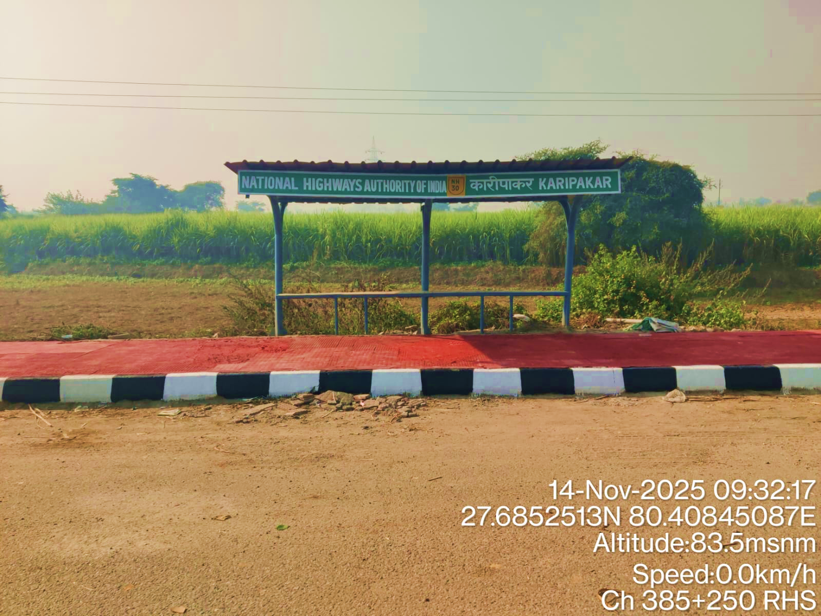
11 | 411900 | 412040 | 140.0 | RHS | Bus shelter | 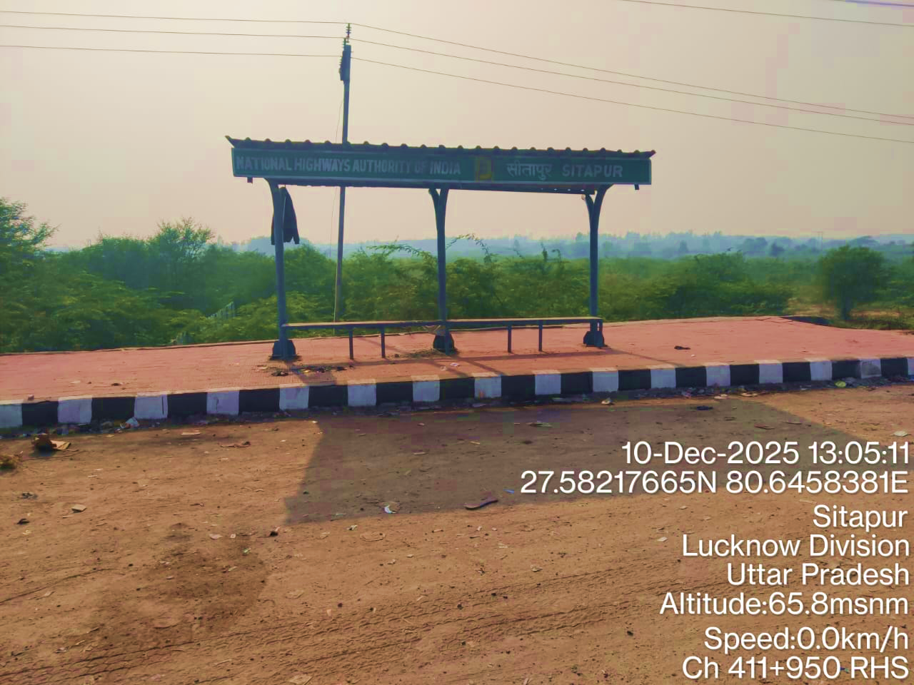
12 | 262900 | 263130 | 230 | RHS | Truck Lay Bys | 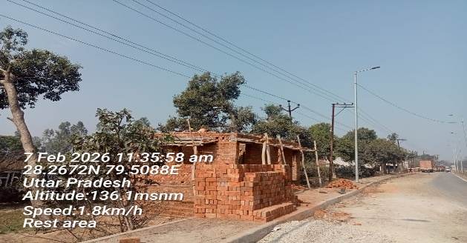
13 | 306130 | 306350 | 220 | RHS | Truck Lay Bys | 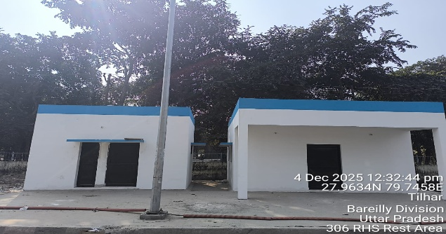 | 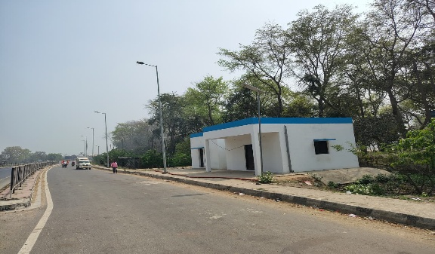
14 | 370500 | 370800 | 300 | RHS | Truck Lay Bys | 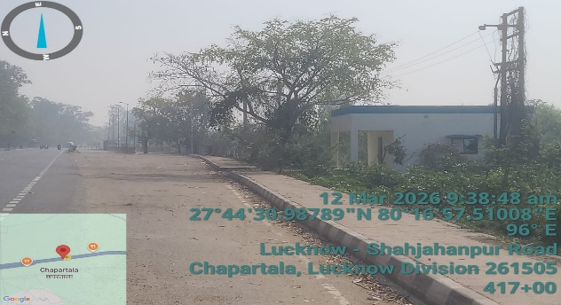 | 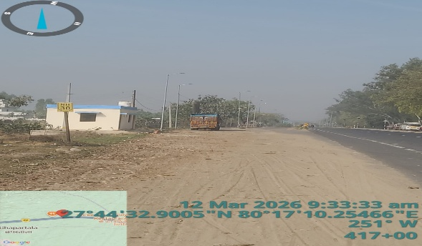
15 | 382250 | 382600 | 350 | LHS | Truck Lay Bys | 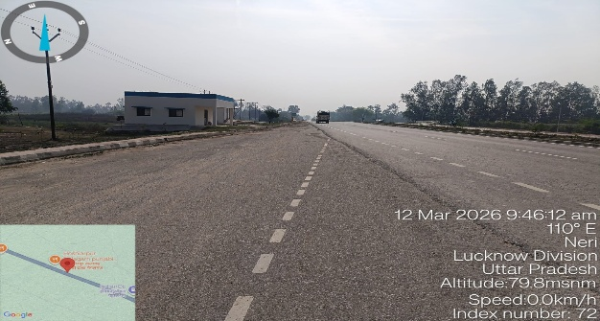 | 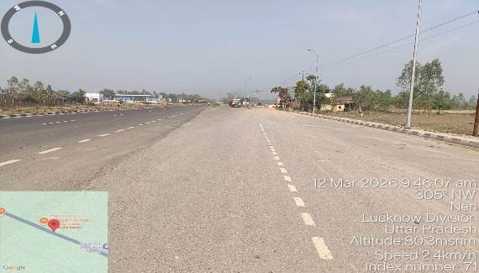
Total Quantity>>>

